Gráfico_1
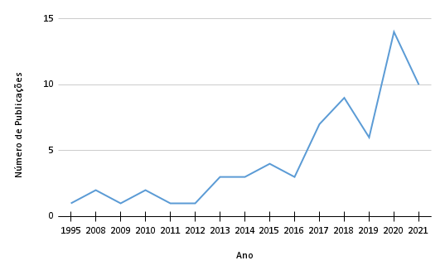
Ano | Número de Publicações
1995 | 1
2008 | 2
2009 | 1
2010 | 2
2011 | 1
2012 | 1
2013 | 3
2014 | 3
2015 | 4
2016 | 3
2017 | 7
2018 | 9
2019 | 6
2020 | 14
2021 | 10

